Hiearchy View
CLASS: FIBER OPTIC PATCH PANEL
enclosures that act as a distribution hub for fiber cable. |  | 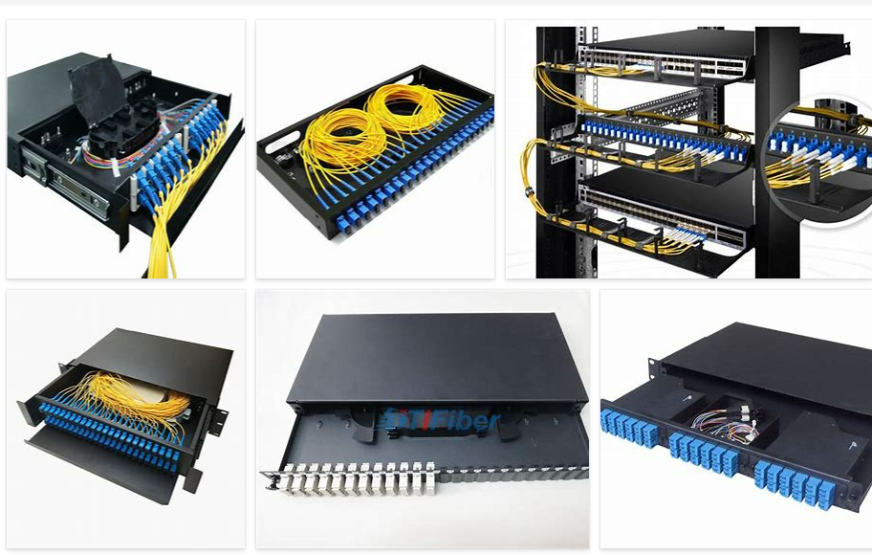
REMOVE | N

PROBLEM_DESC | CAUSE_DESC | REMEDY_DESC
BROKEN/DAMAGED
OTHER PROBLEM
POWER-ELEC
STOPPED/SLOWED/POOR OPS
TEMP-CTRL
VIBRATION
Grand Total

